Bug Report
Bug ID | FP_Bug_001 | Bug Reproduction Steps | Screenshot
Test case ID | TestCase 32 | Open DB_manager.c OR 1.Open Main_App_Runner terminal 2. Enter 0 to act as normal user 3. Enter Secret Token (10203040) 4.Enter U to print ueser 5.Enter 0 to print user information | 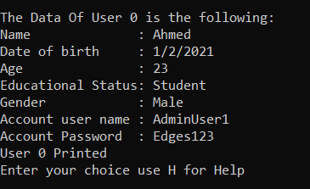
Defect Description | Age Mismatching the year of birth in (First) user With id 0 Age -> 23 DOB_year -> 2021
Expected Result | System shouldn't accept the inputs of User in Data base
Actual result | System accepted the inputs and added user to data base
Root Cause | Developer create wrong inputs in the Data base file and conditions doesn't handle the inputs in data base file
Severity | Minor
Priority | Meduim
suggested fix | Correct the inputs of he users

Bug ID | FP_Bug_002 | Bug Reproduction Steps | Screenshot
Test case ID | TC_Create_Account_011 | 1. Open Main_App_Runner terminal 2. Enter 1 to act as normal user 3. Enter C to open create account window 4.Enter valid first name "Ahmed" 5.Enter valid age(23) 6.Enter valid date of birth in required format (01 -> enter -> 02 -> Enter -> 2001 -> Enter) 7. Enter 2 to choose valid Educational Status (Student) 8.Enter 1 to choose valid option of Gender (Male) 9.Enter valid Username "AdminUser1" 10.Enter valid password "Edges123" 11.Renter valid password "Edges123"
Defect Description | Username isn't unique, more than one user can be added with same Username and password
Expected Result | System shouldn't accept adding user with existing username
Actual result | System accepted adding a new user with existing username
Root Cause | there is no condition to make every single Username is unique
Severity | Critical
Priority | High
suggested fix | create a function or condition to prevent creating more than one account with same Username

Bug ID | FP_Bug_003 | Bug Reproduction Steps | Screenshot
Test case ID | TC_Student_Page_002 | 1. Open Main_App_Runner terminal 2. Enter 1 to act as customer 3. Enter L to load Login page 4. Enter Username (AdminUser2) 5.Enter Password (Edges123456) 6.Enter C to load changing password page 7.Enter current password (Edges123456) 8.Enter the new password (Ed) 9.Renter the new password (Ed) | 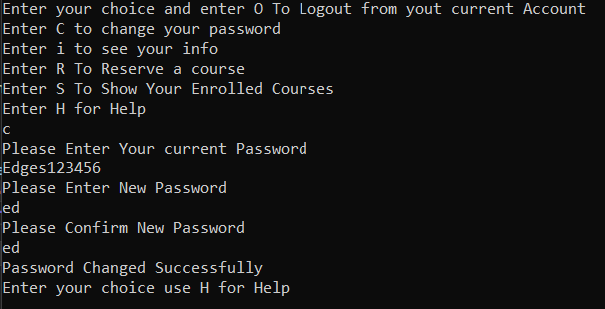
Defect Description | While trying to change password with invalid Password ("Ed" less than 3 characters )it found that password was Changed
Expected Result | System shouldn't accept the new invalid password
Actual result | Password has been Changed with invalid value
Root Cause | There is no condition to handle the number of characters while changing the password
Severity | Major
Priority | High
suggested fix | Create a condition to handle the number of characters while changing the password

Bug ID | FP_Bug_004 | Bug Reproduction Steps | Screenshot
Test case ID | TC_Student_Page_003 | 1. Open Main_App_Runner terminal 2. Enter 1 to act as customer 3. Enter L to load Login page 4. Enter Username (AdminUser2) 5.Enter Password (Edges123456) 6.Enter C to load changing password page 7.Enter current password (Edges123456) 8.Enter the new password (w w) | 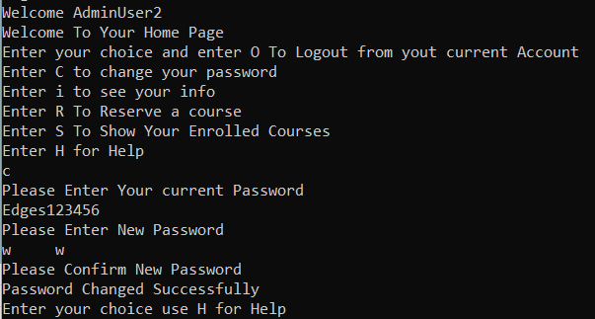
Defect Description | While trying to change password with invalid Password with spaces "w w" it found that password was Changed and system made unexpected behavior as it skip password confirmaion step
Expected Result | System shouldn't accept the new invalid password
Actual result | System password confirmaion step and accepted the new invalid password
Root Cause | Unusing Function to read strings with spaces
Severity | Major
Priority | High
suggested fix | Using fgets() or scanf() with a Specific Format Specifier (%[^\n]) instead of scanf

Bug ID | FP_Bug_005 | Bug Reproduction Steps | Screenshot
Test case ID | TC_Create_Account_002 : TC_Create_Account_010 | 1. Open Main_App_Runner terminal 2. Enter 1 to act as normal user 3. Enter C to open create account window 4.Enter valid first name "Nehal" 5.Enter valid age(24) 6.Enter valid date of birth in required format (01 -> enter -> 02 -> Enter -> 2000 -> Enter) 7. Enter 8 to choose invalid Educational Status 8.Enter 2 to choose valid option of Gender (Female) 9.Enter valid Username "NehalAllam" 10.Enter valid password "Nehal12345" 11.Renter valid password "Nehal12345"
Defect Description | While creating an account with invalid input, software doesn't indicate the wrong input
Expected Result | System should stop asking for next input after the wrong input or indicate the wrong input
Actual result | System doesn't indicate the wrong input
Root Cause | Lack of Input Validation
Severity | Minor
Priority | Low
suggested fix | To fix this, you need to implement proper input validation and error checking for each input field

Bug ID | FP_Bug_006 | Bug Reproduction Steps | Screenshot
Test case ID | TC_Create_Account_004 | 1. Open Main_App_Runner terminal 2. Enter 1 to act as normal user 3. Enter C to open create account window 4.Enter valid first name "Nehal" 5.Enter valid age(a) | 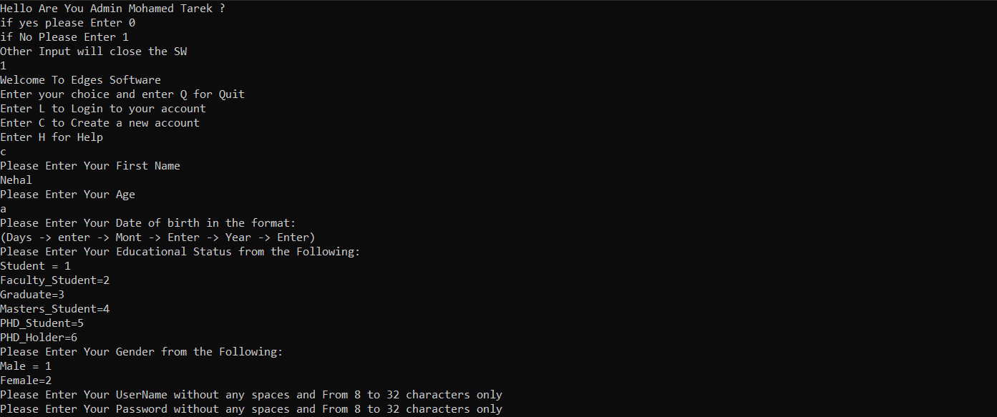
Defect Description | While trying to enter invalid value with different data type (trying to enter character value in age) software makes unexpected behavior
Expected Result | system should consider it as a wrong input
Actual result | system made unexpected behavior
Root Cause | scanf() cannot properly input handle non-numeric input when you are expecting an integer
Severity | Critical
Priority | Meduim
suggested fix | Using fgets() instead of scanf()

Bug ID | FP_Bug_007 | Bug Reproduction Steps | Screenshot
Test case ID | TC_Main_App_002 | 1. Open Main_App_Runner terminal 2.Enter 0 to log as admin Mohamed Tarek 3.Enter wrong token (11223344) 4.Renter wrong token (11223344) 5.Renter wrong token (11223344) | 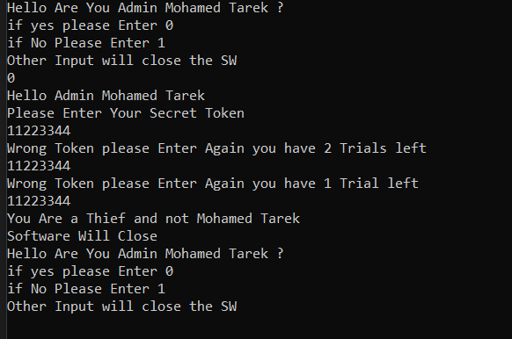
Defect Description | While trying to enter wrong password for three Trials software printed "Software will close" and it didn't
Expected Result | Software should close after enter wrong password for three Trials
Actual result | Software didn't close and loaded main page again
Root Cause | Software doesn't actually terminate or exit due to the lack of a proper exit mechanism
Severity | Major
Priority | Low
suggested fix | Using exit(0) to immediately terminate the program

Bug ID | FP_Bug_008 | Bug Reproduction Steps | Screenshot
Test case ID | TC_Admin_AddUser_003 | 1. Open Main_App_Runner terminal 2.Enter 0 to log as admin Mohamed Tarek 3.Enter Secret token (10203040) 4. Add two users with valid inputs 5.Ensure they have been added to data base 6. Add third user withvalid inputs
Defect Description | While trying to add user after adding maximum users to system, system added user but it didn't loaded user in the list of users
Expected Result | Software should print that Capacity of users is full
Actual result | Software printed that user has been added successfully
Root Cause | software has no condition to prevent adding users after maximum users were added or to print that the Capacity of users is full
Severity | Minor
Priority | Meduim
suggested fix | Add condition to prevent adding users after maximum users were added or to print that the Capacity of users is full

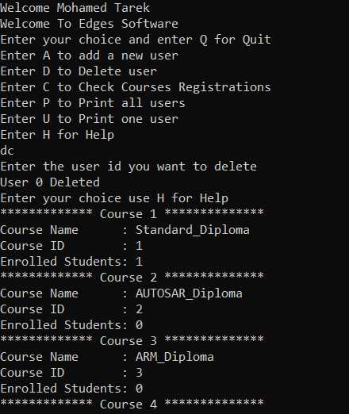
Bug ID | FP_Bug_009 | Bug Reproduction Steps | Screenshot
Test case ID | TC_Admin_Page_001 | 1.1. Open Main_App_Runner terminal 2.Enter 0 to log as admin Mohamed Tarek 3.Enter Secret token (10203040) 4.Enter dc
Defect Description | While Entering two characters of valid option(dc), software had deleted the first user then printed the list of courses
Expected Result | System should ask for id of user then print courses list
Actual result | oftware exhibited unexpected behavior
Root Cause
Severity | Critical
Priority | Meduim
suggested fix

Bug ID | FP_Bug_010 | Bug Reproduction Steps | Screenshot
Test case ID | TC_Admin_Page_002 | 1. Open Main_App_Runner terminal 2.Enter 0 to log as admin Mohamed Tarek 3.Enter Secret token (10203040) 4.Enter up
Defect Description | While Entering two characters of valid option(up), software had printed the first user then printed the list of all users
Expected Result | System should ask for id of user then print courses list
Actual result | Software exhibited unexpected behavior
Root Cause
Severity | Critical
Priority | Meduim
suggested fix

Bug ID | FP_Bug_011 | Bug Reproduction Steps | Screenshot
Test case ID | TC_Admin_Page_003 | 1.Open Main_App_Runner terminal 2.Enter 0 to log as admin Mohamed Tarek 3.Enter Secret token (10203040) 4.Enter ac | 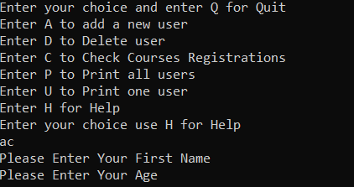
Defect Description | While Entering two characters of valid option(ac), software had exhibited unexpected behavior
Expected Result | System should ask for user information then print courses list
Actual result | software had exhibited unexpected behavior
Root Cause
Severity | Critical
Priority | Meduim
suggested fix

Bug ID | FP_Bug_012 | Bug Reproduction Steps | Screenshot
Test case ID | TestCase 24 | 1.Add test case Function 2.Add two struct with valid user 3.Add the users to course id 5 5.Add variable user id with value 5 5.Add the user id to AddStudentToCourse 6.Assert that AddStudentToCourse(5, 5) will return CapacityCompleted
Defect Description | While Testing AddStudentToCourse when the course capacity is full to make function return CapacityCompleted user id were added with value (5) and software accepted it while the max user id is (4)
Expected Result | Software shoul not accept the user id
Actual result | software accepted the user id
Root Cause
Severity | Major
Priority | Meduim
suggested fix

Bug ID | FP_Bug_013 | Bug Reproduction Steps | Screenshot
Test case ID | TC_Main_App_006 | 1.Open Main_App_Runner terminal 2.Enter H
Defect Description | while entering character to main window softwre exhibited unexpected behavior
Expected Result | Software should close or print wrong input
Actual result | Software did not close and made unexpected behavior
Root Cause | scanf() cannot properly input handle non-numeric input when you are expecting an integer
Severity | Critical
Priority | Meduim
suggested fix | Using fgets() instead of scanf()

Bug ID | FP_Bug_014 | Bug Reproduction Steps | Screenshot
Test case ID | TC_Create_Account_014 | 1. Open Main_App_Runner terminal 2. Enter 1 to act as normal user 3. Enter C to open create account window 4.Enter valid first name "Basant" 5.Enter valid age(24) 6.Enter valid date of birth in required format (01 -> enter -> 02 -> Enter -> 2000 -> Enter) 7. Enter 2 to choose valid Educational Status (Student) 8.Enter 1 to choose valid option of Gender (Female) 9.Enter valid Username "BassantSayedAbdallahAbdelhaliem22" 10.Enter valid password "Bassant22345" 11.Renter valid password "Bassant22345"
Defect Description | While entering UserName with 32 characters software printed wrong inputs and the user has not been added
Expected Result | System should accept inputs and print "User Added Successfully"
Actual result | System didn't accept inputs and printed "Wrong Inputs"
Root Cause
Severity | Minor
Priority | Meduim
suggested fix

Bug ID | FP_Bug_015 | Bug Reproduction Steps | Screenshot
Test case ID | TC_Create_Account_016 | 1. Open Main_App_Runner terminal 2. Enter 1 to act as normal user 3. Enter C to open create account window 4.Enter valid first name "Basant" 5.Enter valid age(24) 6.Enter valid date of birth in required format (01 -> enter -> 02 -> Enter -> 2000 -> Enter) 7. Enter 2 to choose valid Educational Status (Student) 8.Enter 1 to choose valid option of Gender (Female) 9.Enter valid Username "BassantSayed" 10.Enter valid password "BassantSayedAbdallahAbdelhaliem22" 11.Renter valid password "BassantSayedAbdallahAbdelhaliem22"
Defect Description | While entering Password with 32 characters software printed wrong inputs and the user has not been added
Expected Result | System should accept inputs and print "User Added Successfully"
Actual result | System didn't accept inputs and printed "Wrong Inputs"
Root Cause
Severity | Minor
Priority | Meduim
suggested fix

Bug ID | FP_Bug_016 | Bug Reproduction Steps | Screenshot
Test case ID | TC_Create_Account_018 | 1. Open Main_App_Runner terminal 2. Enter 1 to act as normal user 3. Enter C to open create account window 4.Enter valid first name "Nehal" 5.Enter valid age(23) 6.Enter valid date of birth in required format (01 -> enter -> 02 -> Enter -> 2000 -> Enter) 7. Enter 8 to choose invalid Educational Status 8.Enter 2 to choose valid option of Gender (Female) 9.Enter valid Username "NehalAllam" 10.Enter valid password "Nehal12345" 11.Renter valid password "Nehal12345"
Defect Description | While Testing the mismatching age system accepted the inputs and user has been added
Expected Result | System should not accept inputs and print "Wrong Inputs"
Actual result | System accepted inputs and printed "User Added Successfully"
Root Cause
Severity | Minor
Priority | Low
suggested fix

